MEA
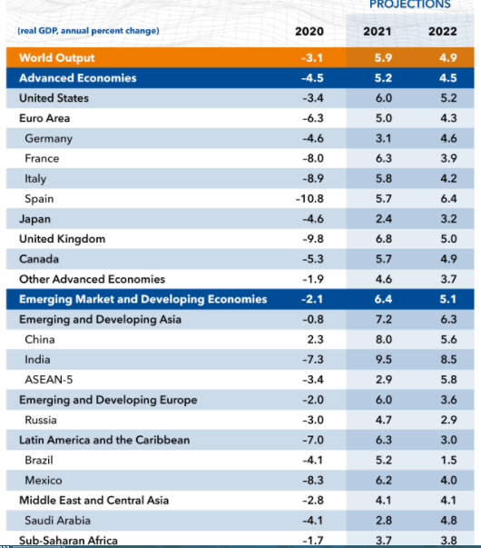
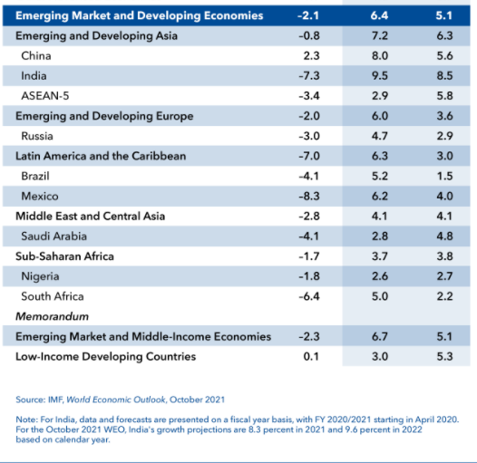
 | Approach: Growth Forecast Via Factors (Impact Analysis)
 | Factors | Sources | Value | CAGR | Weightage
 | GDP Growth Rate (2021-2030 Period) | World Bank, IMF, OECD, TechSci Estimates | Forecast | 4.86% | 29.00%
 | GDP Per Capita (%) | World Bank, IMF, OECD, TechSci Estimates | Forecast | 4.38% | 10.00%
 | Average Selling Growth (%) | TechSci Research Estimates | Forecast | 3.18% | 6.00%
 | Growth in Construction Sector | TechSci Research Estimates | Forecast | 4.00% | 15.00%
 | Growth in Renewable Sector | TechSci Research Estimates | Forecast | 6.50% | 18.00%
 | Paint & Coating Industry Growth | Industry Sources & TechSci Research Estimates | Forecast | 3.45% | 17.00%
 | Market Growth in Historical Period (2015-2020) | Industry Sources & TechSci Research Estimates | Historical | -0.21% | 5.00%
 | CAGR (2021-2030) | 4.38%

 |  | 4.38%

https://www.imf.org/en/Publications/WEO/Issues/2021/10/12/world-economic-outlook-october-2021

